backup
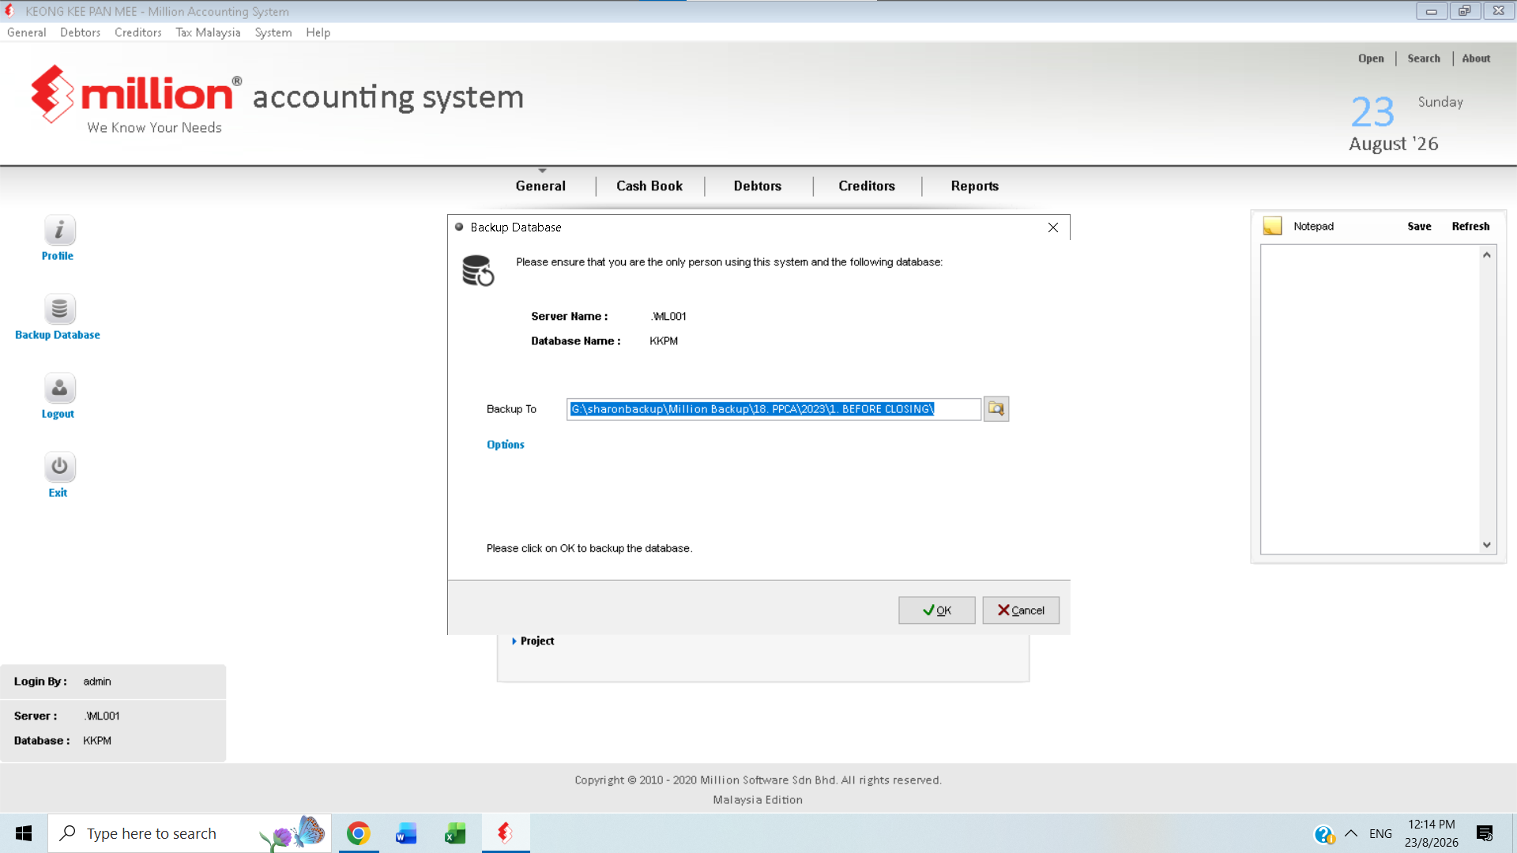

Backup files

Financial Year closing
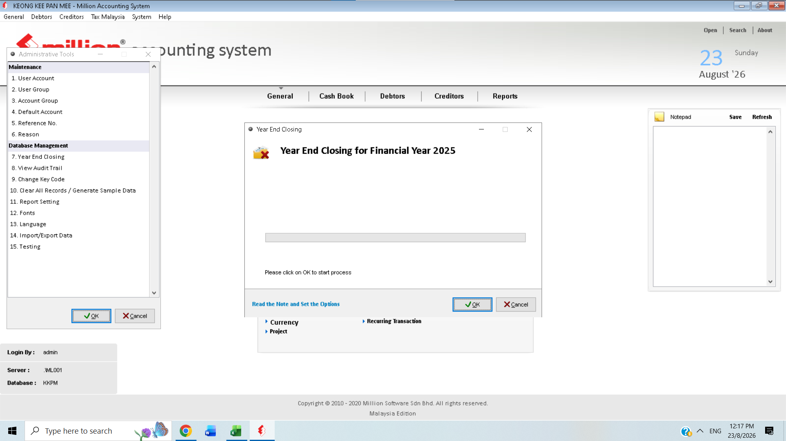

Need to do Year End closing for Financial Year 2025

maintain Stock value
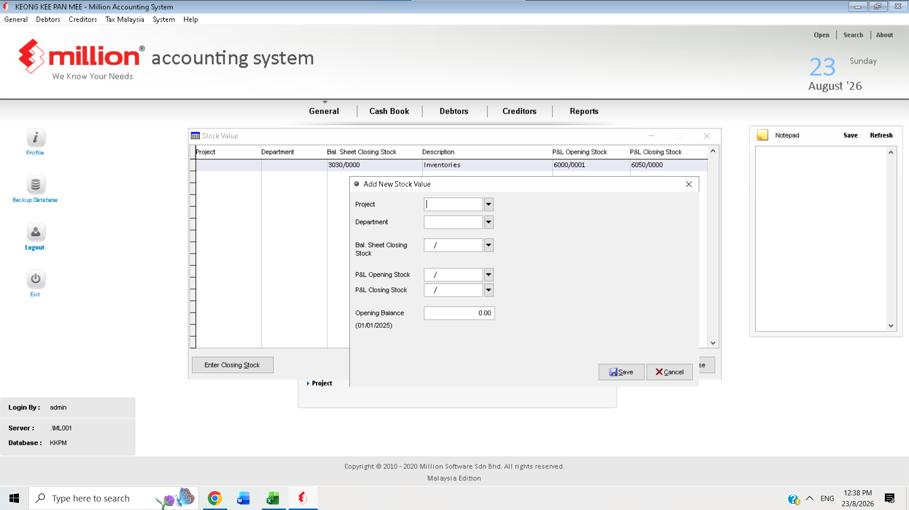

Maintain stock value for trading only

